FRGEX
FRGEX |  |  |  |  |  |  |  |  |  | SELL | What 3 stocks would you sell?
Fidelity Series Stock Selector Large Cap Value F |  |  |  |  | Morningstar: 4 STAR |  |  |  |  |  | Why would you sell each stock? (I need a reason for each stock)
 | $7.6 billion |  | Matt H Friedman, John Mirshekari, Justin J Bennett, Katherine Buck, Laurie Mundt, Steve Barwikowski |  |  |  |  |  |  |  | CRC | Second largest contributor to style risk, high quant score on US Master, high Debt to equity of 272.4, not a large cap stock
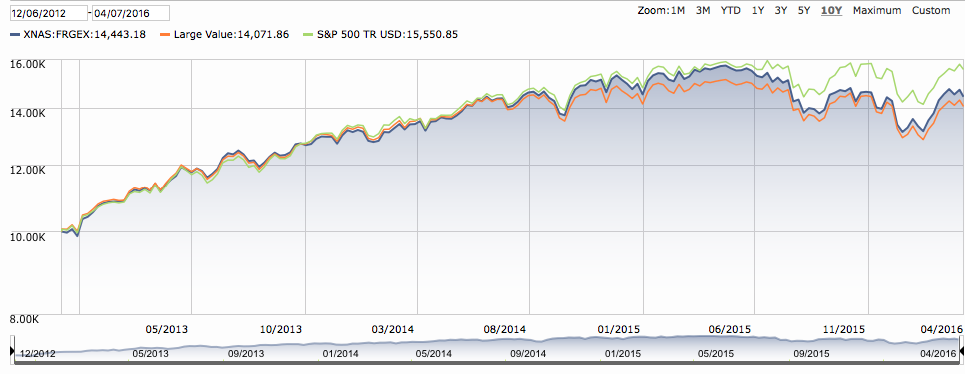
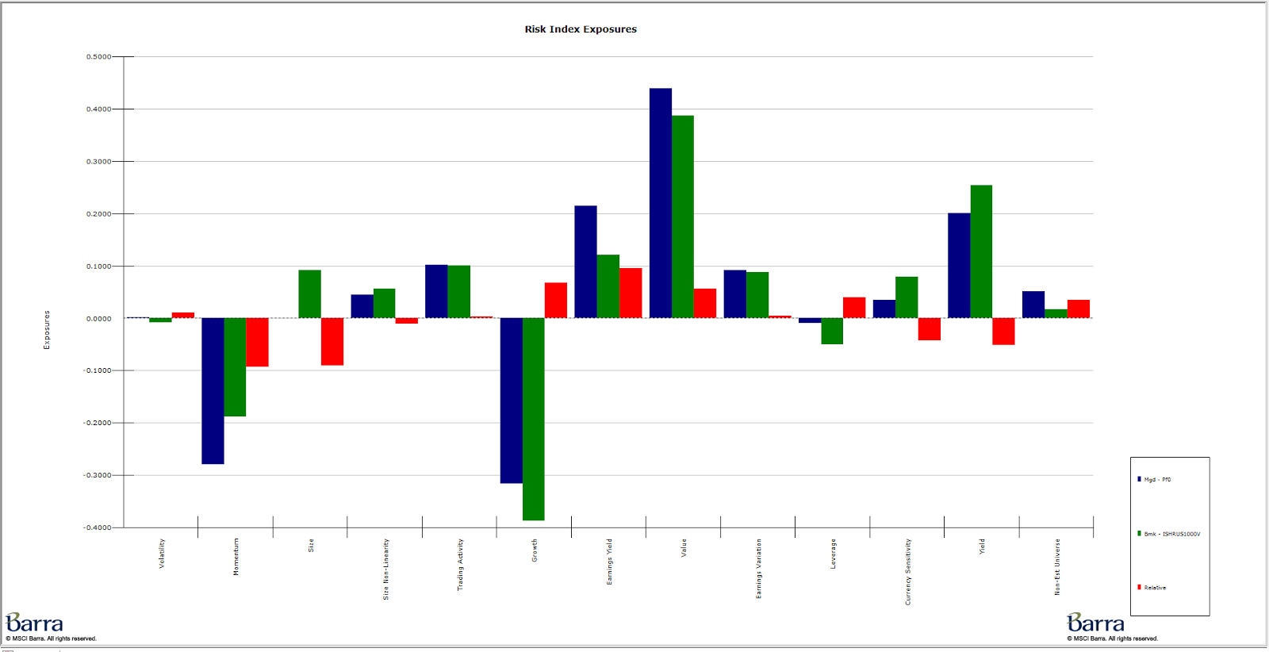
 |  |  |  |  |  |  |  |  |  |  | SGY | Low value score in Barra, not a Large Cap stock, has been logging losses for so long that PE isn't even available.
 |  | Holder Style | Yield |  |  |  |  |  |  |  | MXIM | Not a Value Stock - High PE and LT Book to Price, Highest contributor to sector risk, most negative alpha per US Master
 |  | Cap Group Style | Large Cap
 |  | Turnover | Very Low |  |  |  |  |  |  | BUY | What 3 stocks would you buy?
 |  | Avg P/E Ratio | 25 |  |  |  |  |  |  |  | Why would you buy each stock? (I need a reason for each stock)
 |  | Avg P/B Ratio | 3 |  |  |  |  |  |  |  | AVT | Same sector as MXIM, good quant score on US Master, lower PE for 10.62, good quality scores
 |  | Avg Div Yld (%) | 2.45 |  |  |  |  |  |  |  | TSO | Matches sector exposure, good quant score, lower PE of 6.73, actually a large cap stock
 |  | Avg Sales Growth (%) | -2 |  |  |  |  |  |  |  | VLO | Meets market capitalization requirements, good quant score, actually large cap, low PE,
 |  | Price Momentum | 1.03
 |  | Relative Strength | 8
 |  | Beta | 0.95 |  |  |  |  |  |  | SOME THOUGHTS
 |  |  |  |  |  |  |  |  |  |  | Interesting capitalization allocations, based on Russell rather than S&P
 |  | Mega (> 50B) | 44.67 | North America | 88.55 |  |  |  |  |  | Holder style is 'yield' not 'value'?
 |  | Large (10B to 50B) | 37.20 | Europe | 7.84 |  |  |  |  |  | Average PE is 25, too high for 'value' fund?
 |  | Mid (2B to 10B) | 13.60 | Latin America | 0.05 |  |  |  |  |  | Six different Managers, all of whom focus on one sector -- too disjointed?
 |  | Small (250MM to 2B) | 0.95 | Asia | 0.00 |  |  |  |  |  | About 15% of the fund is in midcap and smallcap?
 |  | Micro (< 250MM) | 0.01 |  |  |  |  |  |  |  | Large MegaCap exposure
 |  |  |  |  |  |  |  |  |  |  | Sector allocatin mimics the benchmark extremely closely -- makes sense for stock selector
 |  |  |  |  |  |  |  |  |  |  | Overall active risk is very low for a value fund - more of a tilted index
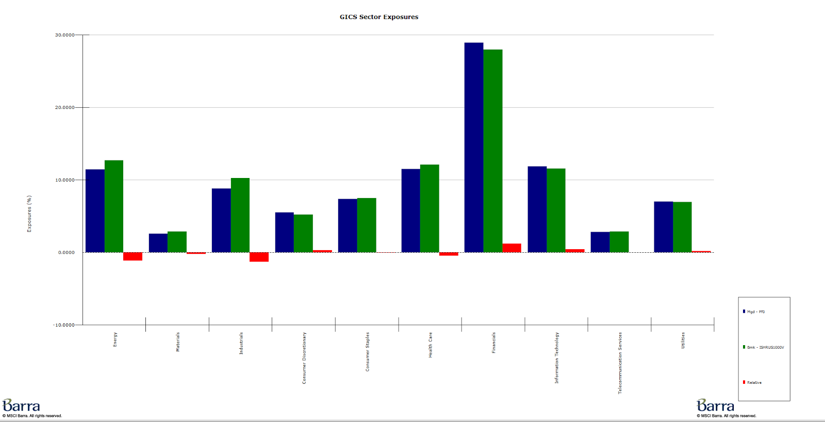
 |  |  |  |  |  |  | Risk (Overall Risk)
 |  |  |  |  |  | Most Diversified (Least Risk) | EQR PFE ITC XEL NEE EIX GE JPM DTE MRK |  |  |  | Style decisions seem to be ok in general, but overweighting in Size is concerning
 |  |  |  |  |  | Least Diversified (Most Risk) | CRC NXPI KMI MU SGY WDC QCOM CVX APC CIT |  |  |  | Fund's underperformance and low level of active risk has created a terrible information ratio
 |  |  |  |  |  |  |  |  |  |  | How does the fund still have four stars? Have the recent years been bad for Large Cap Value?
 |  |  |  |  |  |  | Risk Index Risk (Style Risk)
 |  |  |  |  |  | Most Diversified (Least Risk) | JNJ GE NEE XEL T PG CMS VZ SYY EIX
 |  |  |  |  |  | Least Diversified (Most Risk) | SGY CRC ENDP MU DYN NRF ITUB MEOH KMI BPOP

 |  |  |  |  |  |  | Industry Risk (Sector Risk)
 |  |  |  |  |  | Most Diversified (Least Risk) | NLY GGP EQR NRF CBG CRC FANG SGY COG APC
 |  |  |  |  |  | Least Diversified (Most Risk) | MRVL MXIM MU NXPI TGT KSS AFL RGA QCOM

 |  |  |  |  |  |  | Benchmark |  | Russell 1000 Value
 |  |  |  |  |  |  | Active Risk |  | 1.75%
 |  |  |  |  |  |  | 1 year return |  | -3.9%
 |  |  |  |  |  |  | 3 year return |  | 0.1%
 |  |  |  |  |  |  | 5 year return | Started 2012

 |  |  |  |  |  |  | 1 year benchmark return |  | -1.5%
 |  |  |  |  |  |  | 1 year active return |  | -2.4%
 |  |  |  |  |  |  | Information Ratio (past year) |  | -1.35

